Daily Power Station Chart_14-01
Plant_28/01/2025Chart

Plant:odco1 |  |  | Installed Capacity:111.180kWp
Today Yield(kWh):561.900kWh |  | Today Earning:224760.000TND |  | Today Full Load Hours(h):5.05h

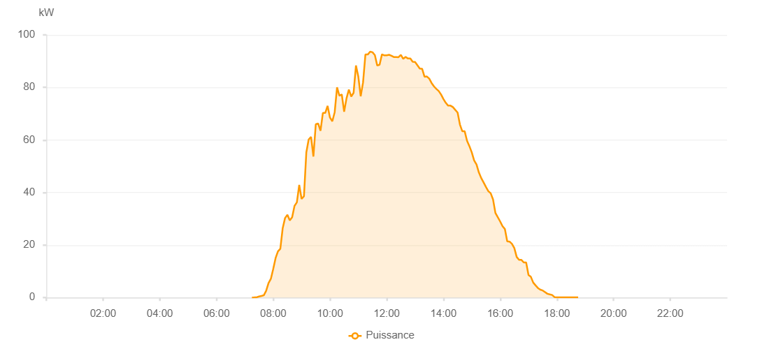

Number | Time | Working State | PV(W) | Instantaneous Radiation(W/㎡)
1 | 07:15:00 | Online | 30.00000 | 0
2 | 07:20:00 | Online | 50.00000 | 0
3 | 07:25:00 | Online | 90.00000 | 0
4 | 07:30:00 | Online | 400.00000 | 2.00000
5 | 07:35:00 | Online | 600.00000 | 3.00000
6 | 07:40:00 | Online | 850.00000 | 11.00000
7 | 07:45:00 | Online | 2560.00000 | 20.00000
8 | 07:50:00 | Online | 5480.00000 | 48.00000
9 | 07:55:00 | Online | 7120.00000 | 87.00000
10 | 08:00:00 | Online | 10880.00000 | 120.00000
11 | 08:05:00 | Online | 15030.00000 | 158.00000
12 | 08:10:00 | Online | 17560.00000 | 189.00000
13 | 08:15:00 | Online | 18580.00000 | 219.00000
14 | 08:20:00 | Online | 26380.00000 | 247.00000
15 | 08:25:00 | Online | 30260.00000 | 298.00000
16 | 08:30:00 | Online | 31520.00000 | 349.00000
17 | 08:35:00 | Online | 29350.00000 | 256.00000
18 | 08:40:00 | Online | 30590.00000 | 306.00000
19 | 08:45:00 | Online | 34900.00000 | 318.00000
20 | 08:50:00 | Online | 36240.00000 | 303.00000
21 | 08:55:00 | Online | 42900.00000 | 429.00000
22 | 09:00:00 | Online | 37530.00000 | 390.00000
23 | 09:05:00 | Online | 38580.00000 | 375.00000
24 | 09:10:00 | Online | 55270.00000 | 399.00000
25 | 09:15:00 | Online | 60180.00000 | 530.00000
26 | 09:20:00 | Online | 61160.00000 | 577.00000
27 | 09:25:00 | Online | 53680.00000 | 553.00000
28 | 09:30:00 | Online | 65980.00000 | 605.00000
29 | 09:35:00 | Online | 66260.00000 | 640.00000
30 | 09:40:00 | Online | 63480.00000 | 593.00000
31 | 09:45:00 | Online | 70280.00000 | 639.00000
32 | 09:50:00 | Online | 70280.00000 | 674.00000
33 | 09:55:00 | Online | 72960.00000 | 694.00000
34 | 10:00:00 | Online | 68520.00000 | 719.00000
35 | 10:05:00 | Online | 67120.00000 | 682.00000
36 | 10:10:00 | Online | 70570.00000 | 690.00000
37 | 10:15:00 | Online | 80020.00000 | 771.00000
38 | 10:20:00 | Online | 76850.00000 | 699.00000
39 | 10:25:00 | Online | 77350.00000 | 780.00000
40 | 10:30:00 | Online | 70750.00000 | 787.00000
41 | 10:35:00 | Online | 75840.00000 | 693.00000
42 | 10:40:00 | Online | 79160.00000 | 735.00000
43 | 10:45:00 | Online | 76540.00000 | 785.00000
44 | 10:50:00 | Online | 77950.00000 | 743.00000
45 | 10:55:00 | Online | 88360.00000 | 829.00000
46 | 11:00:00 | Online | 84090.00000 | 853.00000
47 | 11:05:00 | Online | 76620.00000 | 787.00000
48 | 11:10:00 | Online | 81890.00000 | 744.00000
49 | 11:15:00 | Online | 92530.00000 | 836.00000
50 | 11:20:00 | Online | 92530.00000 | 868.00000
51 | 11:25:00 | Online | 93620.00000 | 887.00000
52 | 11:30:00 | Online | 93380.00000 | 877.00000
53 | 11:35:00 | Online | 92310.00000 | 874.00000
54 | 11:40:00 | Online | 88340.00000 | 876.00000
55 | 11:45:00 | Online | 88640.00000 | 840.00000
56 | 11:50:00 | Online | 92620.00000 | 874.00000
57 | 11:55:00 | Online | 92220.00000 | 875.00000
58 | 12:00:00 | Online | 92220.00000 | 873.00000
59 | 12:05:00 | Online | 92430.00000 | 884.00000
60 | 12:10:00 | Online | 92080.00000 | 879.00000
61 | 12:15:00 | Online | 91580.00000 | 884.00000
62 | 12:20:00 | Online | 91580.00000 | 875.00000
63 | 12:25:00 | Online | 91510.00000 | 864.00000
64 | 12:30:00 | Online | 92400.00000 | 874.00000
65 | 12:35:00 | Online | 90890.00000 | 875.00000
66 | 12:40:00 | Online | 91630.00000 | 868.00000
67 | 12:45:00 | Online | 91000.00000 | 857.00000
68 | 12:50:00 | Online | 91040.00000 | 859.00000
69 | 12:55:00 | Online | 89760.00000 | 849.00000
70 | 13:00:00 | Online | 89690.00000 | 850.00000
71 | 13:05:00 | Online | 88450.00000 | 847.00000
72 | 13:10:00 | Online | 87180.00000 | 834.00000
73 | 13:15:00 | Online | 87080.00000 | 822.00000
74 | 13:20:00 | Online | 84070.00000 | 816.00000
75 | 13:25:00 | Online | 84160.00000 | 809.00000
76 | 13:30:00 | Online | 83360.00000 | 796.00000
77 | 13:35:00 | Online | 81680.00000 | 790.00000
78 | 13:40:00 | Online | 80400.00000 | 778.00000
79 | 13:45:00 | Online | 79450.00000 | 769.00000
80 | 13:50:00 | Online | 78640.00000 | 758.00000
81 | 13:55:00 | Online | 77310.00000 | 746.00000
82 | 14:00:00 | Online | 75600.00000 | 735.00000
83 | 14:05:00 | Online | 74140.00000 | 727.00000
84 | 14:10:00 | Online | 73070.00000 | 713.00000
85 | 14:15:00 | Online | 73070.00000 | 699.00000
86 | 14:20:00 | Online | 72510.00000 | 690.00000
87 | 14:25:00 | Online | 71470.00000 | 678.00000
88 | 14:30:00 | Online | 70440.00000 | 664.00000
89 | 14:35:00 | Online | 65830.00000 | 649.00000
90 | 14:40:00 | Online | 63300.00000 | 629.00000
91 | 14:45:00 | Online | 63300.00000 | 609.00000
92 | 14:50:00 | Online | 59680.00000 | 594.00000
93 | 14:55:00 | Online | 57630.00000 | 578.00000
94 | 15:00:00 | Online | 55240.00000 | 565.00000
95 | 15:05:00 | Online | 52220.00000 | 545.00000
96 | 15:10:00 | Online | 50650.00000 | 526.00000
97 | 15:15:00 | Online | 47620.00000 | 505.00000
98 | 15:20:00 | Online | 45480.00000 | 488.00000
99 | 15:25:00 | Online | 43800.00000 | 467.00000
100 | 15:30:00 | Online | 42080.00000 | 448.00000
101 | 15:35:00 | Online | 40510.00000 | 428.00000
102 | 15:40:00 | Online | 39700.00000 | 410.00000
103 | 15:45:00 | Online | 37360.00000 | 390.00000
104 | 15:50:00 | Online | 32200.00000 | 369.00000
105 | 15:55:00 | Online | 30580.00000 | 347.00000
106 | 16:00:00 | Online | 28970.00000 | 328.00000
107 | 16:05:00 | Online | 27160.00000 | 310.00000
108 | 16:10:00 | Online | 26090.00000 | 287.00000
109 | 16:15:00 | Online | 21410.00000 | 266.00000
110 | 16:20:00 | Online | 21280.00000 | 46.00000
111 | 16:25:00 | Online | 20450.00000 | 42.00000
112 | 16:30:00 | Online | 18840.00000 | 40.00000
113 | 16:35:00 | Online | 15450.00000 | 39.00000
114 | 16:40:00 | Online | 14340.00000 | 37.00000
115 | 16:45:00 | Online | 14340.00000 | 35.00000
116 | 16:50:00 | Online | 13360.00000 | 37.00000
117 | 16:55:00 | Online | 13360.00000 | 33.00000
118 | 17:00:00 | Online | 8570.00000 | 37.00000
119 | 17:05:00 | Online | 7880.00000 | 34.00000
120 | 17:10:00 | Online | 5680.00000 | 28.00000
121 | 17:15:00 | Online | 4620.00000 | 25.00000
122 | 17:20:00 | Online | 3610.00000 | 23.00000
123 | 17:25:00 | Online | 2990.00000 | 20.00000
124 | 17:30:00 | Online | 2680.00000 | 16.00000
125 | 17:35:00 | Online | 2080.00000 | 14.00000
126 | 17:40:00 | Online | 1430.00000 | 12.00000
127 | 17:45:00 | Online | 1180.00000 | 7.00000
128 | 17:50:00 | Online | 960.00000 | 5.00000
129 | 17:55:00 | Online | 150.00000 | 2.00000
130 | 18:00:00 | Online | 50.00000 | 0
131 | 18:05:00 | Online | 50.00000 | 0
132 | 18:10:00 | Online | 40.00000 | 0
133 | 18:15:00 | Online | 40.00000 | 0
134 | 18:20:00 | Online | 40.00000 | 0
135 | 18:25:00 | Online | 40.00000 | 0
136 | 18:30:00 | Online | 40.00000 | 0
137 | 18:35:00 | Online | 40.00000 | 0
138 | 18:40:00 | Online | 40.00000 | 0
139 | 18:45:00 | Online | 40.00000 | 0
140 | 19:05:00 | Online | 0.00001 | 0.00001

